TEDB Edition 40
Figure 4.1. Truck Registrations by Class and Type, 2014
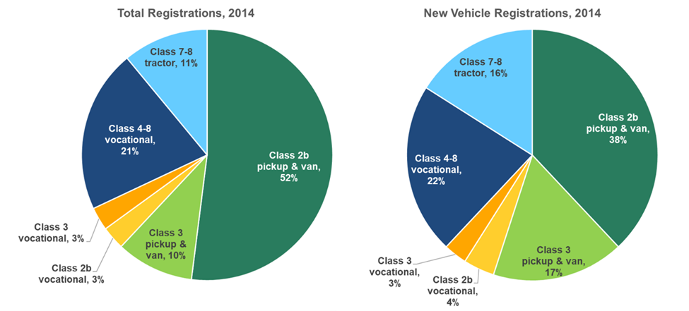

 | Truck Registrations by Class and Type, 2014
 |  | Total Registrations | New Vehicle Registrations
 | Class 2b pickup & van | 52% | 38%
 | Class 3 pickup & van | 10% | 17%
 | Class 2b vocational | 3% | 4%
 | Class 3 vocational | 3% | 3%
 | Class 4-8 vocational | 21% | 22%
 | Class 7-8 tractor | 11% | 16%

 | Source:
 | Birky, Alicia, et al., Electrification Beyond Light-Duty: Class 2b-3 Commercial Vehicles, ORNL/TM-2017/744, December 2017.

